P5
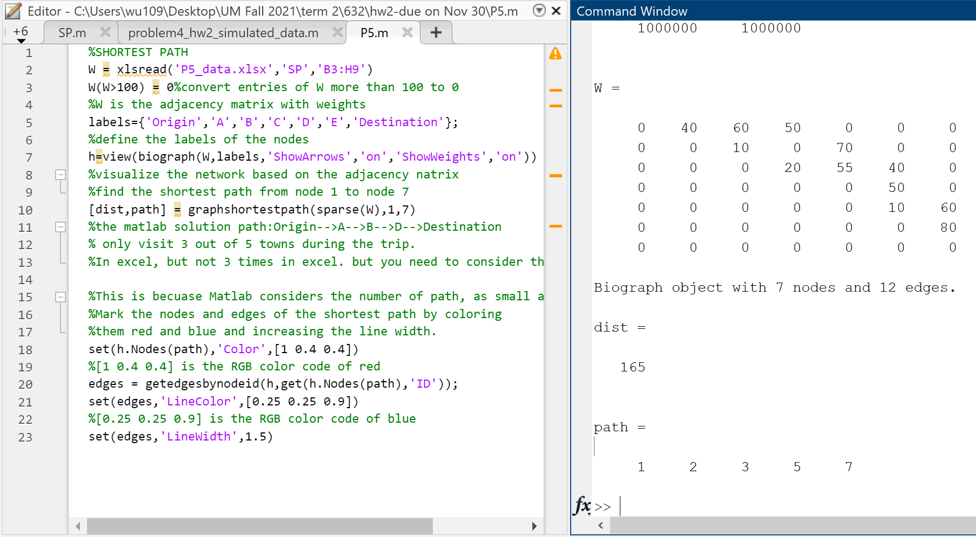
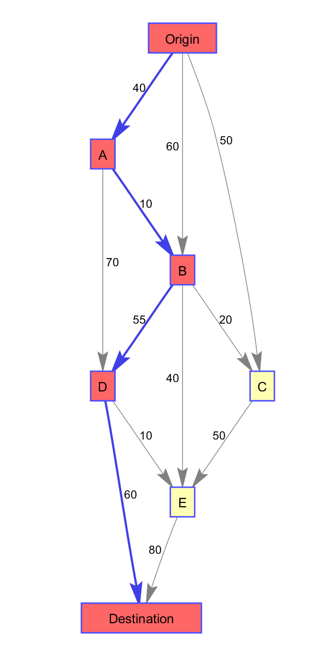
a) A directed graph drawn below | b) Formulate the shortest path as a binary program |  |  |  | c) Solve the problem in Excel/Matlab using binary program |  |  |  |  |  |  |  |  | d) Solution based on MATLAB's function of "graphshortestpath" verified the answered obtained in Excel in c)
to represent the possible routes | Selected Path |  | Yes | No
from the origin to the destination | Origin to A | x1 | 1 | 0 | Arc Distances | origin
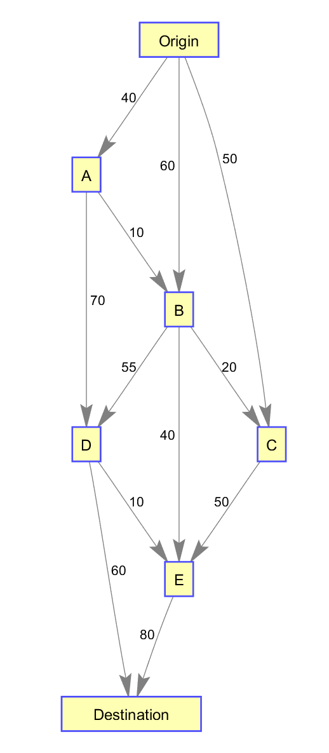
 | Origin to B | x2 | 1 | 0 |  | Origin | A | B | C | D | E | Destination
 | Origin to C | x3 | 1 | 0 | Origin | 0 | 40 | 60 | 50 | 1000000 | 1000000 | 1000000
 | A to B | x4 | 1 | 0 | A | 1000000 | 1000000 | 10 | 1000000 | 70 | 1000000 | 1000000
 | A to D | x5 | 1 | 0 | B | 1000000 | 1000000 | 1000000 | 20 | 55 | 40 | 1000000
 | B to D | x6 | 1 | 0 | C | 1000000 | 1000000 | 1000000 | 1000000 | 1000000 | 50 | 1000000
 | B to E | x7 | 1 | 0 | D | 1000000 | 1000000 | 1000000 | 1000000 | 1000000 | 10 | 60
 | B to C | x8 | 1 | 0 | E | 1000000 | 1000000 | 1000000 | 1000000 | 1000000 | 1000000 | 80
 | D to destination | x9 | 1 | 0 | Destination | 1000000 | 1000000 | 1000000 | 1000000 | 1000000 | 1000000 | 1000000
 | D to E | x10 | 1 | 0
 | C to E | x11 | 1 | 0 | Arc Distances | origin
 | E to destination | x12 | 1 | 0 |  | Origin | A | B | C | D | E | Destination | sum(flow out)
 |  |  |  |  | Origin | 0 | 1 | 0 | 0 | 0 | 0 | 0 | 1
 | Constraints | lhs |  | rhs | A | 0 | 0 | 1 | 0 | 0 | 0 | 0 | 1
 |  | x1+x2+x3 | = | 1 | B | 0 | 0 | 0 | 0 | 1 | 0 | 0 | 1
 |  | x9+x12 | = | 1 | C | 0 | 0 | 0 | 0 | 0 | 0 | 0 | 0
 |  | ??? |  |  | D | 0 | 0 | 0 | 0 | 0 | 0 | 1 | 1
 |  | x1,x2,…x12 all binary |  |  | E | 0 | 0 | 0 | 0 | 0 | 0 | 0 | 0
 |  |  |  |  | Destination | 0 | 0 | 0 | 0 | 0 | 0 | 0 | 0
 |  |  |  |  | sum(flow in) | 0 | 1 | 1 | 0 | 1 | 0 | 1

 |  |  |  |  | total distance | 165 | optimal path:Origin-->A-->B-->D-->Destination

